Test Cases-Items Overview Page
Test Case ID | Test Title / Name | Module / Feature | Test Type | Scenario Type | Preconditions | Test Steps | Expected Result | Actual Result | Status | Severity | Priority | Environment | Browser & Version | Device Type | Operating System | Image Reference | Test Evidence | Tested By | Date | Remarks / Notes
TC_001 | Verify Item List Loads Correctly | Items Overview page | Functional | Positive | User logged in and navigated to Items Overview page. Items Overview page loaded with items list. | 1.Navigate to the Items Overview page. 2.Observe the item list/table displayed. | The list/table loads with all items visible for the current project. Each item row shows key details of (Title, Id, Price, Image link, Link etc.) |  |  | Critical | High | QA Env | Chrome 114.0 | Desktop | Windows 10 | 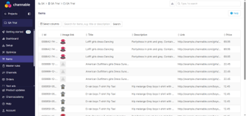 |  |  |  | Validate that no broken page or missing data fields appear in the list.
TC_002 | Verify Search Functionality in Items Overview | Items Overview -search | Functional | Positive and Negative | User is logged in and on the Items Overview page. Items Overview page loaded with items list. Search box is cleared and ready for new input. | 1.Enter a valid item name (eg: Loff) in the search box. 2.Click on the search button or press Enter. 3.Verify the filtered results match the search criteria. 4.Enter an invalid or random string that does not match any item. 5.Perform search again. | For valid search, the list filters and displays only matching items. For invalid search, the list shows no results and optionally a “No items found. setup.” message. |  |  | Major | High | QA Env | Firefox 117.0 | Desktop | macOS | 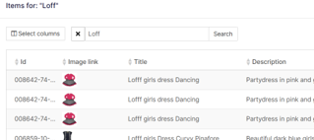 |  |  |  | Verify search supports partial and exact matches for item list.
TC_003 | Verify Pagination Works Correctly | Items Overview -Pagination | Functional | Positive | Pagination controls are visible when scrolling down the page. | 1.Scroll to the bottom of the item list. 2.Click on the ‘Next’ pagination button. 3.Verify the next set of items load correctly. 4.Click on the ‘Previous’ pagination button and verify items reload. | Pagination buttons navigate between pages smoothly. Item update accordingly. |  |  | Major | Medium | QA Env | Edge 114.0 | Desktop | Windows 11 |  |  |  |  | Confirm that Next and Previous buttons are enabled/disabled appropriately (e.g., Previous disabled on first page, Next disabled on last page).
TC_004 | Verify Sorting of Items in Column Headers | Items Overview - Sorting | Functional | Negative | Items present with different values in sortable columns (e.g., Id, Title, Price etc) | 1.Click on the column header toggles ‘e.g., Id, Title, Price etc’. Refer the image reference column Q in testsheet for visual guide 2.Verify that items are sorted in ascending order alphabetically or numerically. 3.Click again on ‘e.g., Id, Title, Price’ header. 4.Verify items sort in descending order alphabetically or numerically. 5.Repeat steps for other columns. | Clicking column headers toggles ascending/descending sorting correctly. Items reorder accordingly. |  |  | Major | Medium | QA Env | Chrome 114.0 | Desktop | Windows 10 |  |  |  |  | Confirm that sorting works correctly for both ascending and descending orders on all sortable columns.
TC_005 | Verify 'Select columns' button Functionality | Items Overview – Select columns | Functional | Positive | User has permission to add new columns and delete columns | 1. Click on an 'Select columns' button. 2.Modify column details by clicking on 'Add new column' button. 3.Save the changes. 4.Verify the column updates with the new details. 5.Click on an 'Select columns' button. 6.Modify column details by clicking on Delete option. 7.Save the changes. Verify that the selected column is successfully deleted and the table updates accordingly after deletion. | Changes persist after saving. Updated values display correctly in the overview list. The selected column is successfully deleted and the table updates accordingly after deletion. Add new column is successfully added and the table updates accordingly after adding. |  |  | Critical | High | QA Env | Firefox 117.0 | Desktop | macOS | 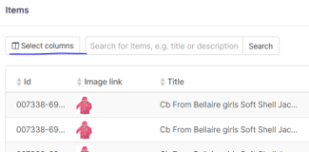 |  |  |  | Verify that the deleted column is immediately removed from the UI and the table layout adjusts properly. Verify that the Add new column is immediately added from the UI and the table layout adjusts properly.
TC_006 | Verify 'Select columns' button header (Field, Width,Type) options | Items Overview – Select columns header options | Functional | Positive | User has permission to change options in 'Select columns' button header (Field, Width,Type) | 1. Navigate to Items Overview page and click on the 'Select columns' button. 2.Observe the 'Select columns' button header (Field, Width,Type) . 3.Click and modify the header options: - Field: select Id - Width: choose 40% - Type: choose Text 4.Refer the image reference column Q in testsheet for visual guide. 5.Click on an 'save' button. 6.Verify the choosen changes reflected in the Items Overview page. | Updated column settings (Field, Width, Type) are saved and applied. "Id" column is visible with 40% width and displayed as text in the Items Overview table. |  |  | Major | High | QA Env | Firefox 117.0 | Desktop | macOS | 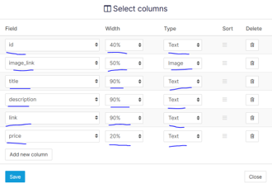 |  |  |  | Validate with multiple combinations of Field, Width, and Type. Confirm persistence of settings in the Items Overview table.
TC_007 | Verify 'Select columns' button header 'Field' option search functionality | Items Overview – Select columns header - 'Field' option | Functional | Positive and Negative | User has permission to change/search 'Field' option in 'Select columns' button header | 1. Click on the 'Select columns' button on the Items Overview page. 2. Observe the 'Select columns' header 'Field' option. 3.Click the 'Field' option. A search bar appears to search for the required field (e.g., Id, Price, Stock, Size, Shipping Price). Refer to column Q in the test sheet for image reference. 4.Enter a valid field name (e.g., Id) in the search box. 5.Verify the filtered results match the search criteria. 6.Enter an invalid or random string and observe the result. | For valid search: the 'Field' filters and displays only matching 'Field' options. For invalid search: a message saying "No results" is displayed. |  |  | Minor | Medium | QA Env | Firefox 117.0 | Desktop | macOS | 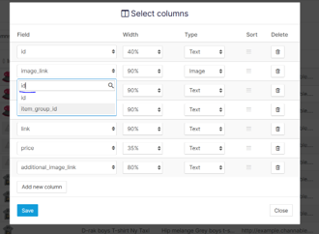 |  |  |  | Ensure to check the responsiveness and loading time of the search results. Include variations like uppercase/lowercase search inputs.
TC_008 | Verify bulk Delete column Functionality | Items Overview – Select columns | Functional | Positive | User has delete permissions and atleast two columns exists | 1. Click on an 'Select columns' button. 2.Modify column details by clicking on Delete option (delete columns). 3.Save the changes. 4.Verifiy user has delete permissions and at-least two item exists. 5.Observe if the delete button is disabled. | Removes the deleted column. Atleast two item exists. Once the deletion limit is met, the Delete button is disabled or unresponsive. |  |  | Critical | High | QA Env | Edge 114.0 | Desktop | Windows 11 | 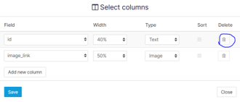 |  |  |  | On adding the columns more than two ensure that the delete option is enabled
TC_009 | Verify bulk "Add new column" Functionality | Items Overview – Select columns | Functional | Positive | User has add permissions and allows to add new columns | 1. Click on an 'Select columns' button. 2.Modify column details by clicking on "Add new column" button (Add columns). 3.Save the changes. 4.Verifiy user has add permissions and allows to add 10 columns max. 5.Observe if the "Add new column" button is disabled. | Adds the new columnc. Allows to add 10 columns max.Once the deletion limit is met, the Delete button is disabled or unresponsive. Once the deletion limit is met, "Add new column" button is disabled or unresponsive.. |  |  | Critical | High | QA Env | Chrome 114.0 | Desktop | Windows 10 | 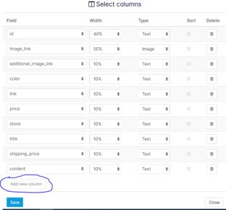 |  |  |  | If columns are deleted, ensure the "Add new column" button re-enables once the total count drops below the limit.
TC_010 | Verify Direct Page Jump Functionality via Pagination Controls | Items Overview -Pagination | Functional | Positive | User is logged in and on the Items Overview page. The project contains multiple pages of items | 1. Scroll to the bottom of the Items Overview page where the pagination controls are visible. 2.Click on a specific page number (e.g., Page 5, Page 9, Page 1) in the pagination control.. 3. Observe the loading behavior of the item list after the page number is clicked. 4. Verify whether the URL updates (e.g., page=5) and the correct set of items are loaded. 5. Check if the pagination indicator highlights the selected page number. | User is successfully redirected to the selected page number. Item list refreshes and displays the correct data for the chosen page.. Pagination indicator updates to show the selected page is active. No page freeze, layout shift, UI glitches, or error messages are observed. |  |  | Minor | Medium | QA Env | Firefox 117.0 |  | macOS |  |  |  |  | Ensure the URL parameter (page=X) updates correctly and reflects the selected page number for easy deep-linking and bookmarking.
TC_011 | Verify 'Close' Button Functionality in 'Select Columns' Panel | Items Overview – Select columns | Functional | Positive | User logged in and navigated to Items Overview page | 1. Click on the 'Select columns' button to open the configuration panel. 2.Click on the 'Close' button on the panel 3. Observe the panel behavior | Select columns' panel closes smoothly without any delay. The main page remains unaffected. |  |  | Minor | low | QA Env | Firefox 117.0 | Desktop | macOS | 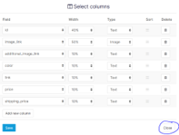 |  |  |  | Also test ESC key if it supports dismissing the panel. Confirm smooth fade or slide animation if implemented.
TC_012 | Verify Clickable Elements and Navigation Functionality on Items Overview Page | Items Overview – Clickable Elements / Navigation | Functional | Positive | User logged in and navigated to Items Overview page and page has fully loaded. | 1. Hover over all clickable elements on the Items Overview page (e.g., items list, buttons like "Select Columns, search", pagination numbers, filters, icons). 2.Click each clickable button/link/icon one by one (e.g., “Select Columns, search”, pagination controls, sorting headers, item list links, etc.). 3. Verify that the UI responds to each click without any delay or freeze 4. Check page navigation responses. 5. Validate cursor changes to a pointer (hand icon) only on actionable elements to support UI behavior | All clickable elements are visually identifiable (hand cursor on hover). On clicking: Correct actions are triggered. Page responds smoothly without any errors or UI glitches. No broken links, unresponsive buttons are observed. |  |  | Major | High | QA Env | Firefox 117.0 | Desktop | macOS |  |  |  |  | Ensure all clickable elements are accessible via mouse and keyboard
TC_013 | Exploratory Testing for Items Overview Page Functionalities and UI Behavior | Items Overview – Comprehensive Functional & UI Exploratory Testing | Functional + UI + Exploratory | Positive / Negative / Edge Cases | User is logged in with appropriate permissions to view and interact with the Items Overview page. Items Overview page is accessible and fully loaded. Multiple supported browsers (Chrome, Firefox, Edge) are installed. No broken links, unresponsive buttons are observed. | 1. Navigate to the Items Overview page. 2. Observe initial page load performance and UI layout correctness 3. Interact with the search box: try valid, invalid, and special characters; observe filter results. 4. Hover over all clickable elements (buttons, links, icons); check for proper hover state (cursor change, highlight). 5. Click on Select columns button: add new columns, delete columns, and save changes multiple times with different inputs. 6. Use pagination controls: navigate to various pages randomly, use next/previous buttons, verify correct data loads. 7. Click on sortable column headers (e.g., Id, Title, Price); test toggling between ascending and descending orders. 8. Try direct page jump by entering page number if available; verify behavior. 9. Check if keyboard navigation (Tab, Shift+Tab) correctly cycles through interactive elements; activate items via Enter or Space keys. 10. Attempt bulk actions (add/delete columns) and observe any UI or backend delays/errors. 11. Attempt different combinations of Field, Width (e.g., 20%, 40%, 60%, 100%), and Type (Text, Number, Image), then save. Confirm UI reflects the chosen setup and observe UI 13. Observe responsiveness and layout on different window sizes (resize browser). 14. Check for any error messages, UI glitches, or unexpected behaviors during interactions. 15. Attempt to trigger any edge cases: e.g., searching with no results, deleting all but minimum allowed columns, adding maximum allowed columns.. 16. Log any unusual or inconsistent behaviors, broken links, missing tooltips, or accessibility issues. | Page loads quickly and all UI elements display correctly without distortion. Search filters items accurately for valid inputs and shows a "No items found" message for invalid inputs. Hover states appear correctly on all clickable elements. Select columns functionality allows adding/deleting columns within permission and limit constraints, and changes persist after saving. Pagination works smoothly without errors or delays, loading the correct data for selected pages. Sorting by column headers toggles correctly between ascending and descending order with corresponding data reorder. Keyboard navigation works properly, supporting accessibility. No UI glitches, freezes, or errors occur during exploratory interactions. Edge cases handled gracefully, e.g., limits enforced, no crashes. All clickable elements lead to expected results/pages or actions. |  |  | Major | High | QA Env | Test on multiple browsers (e.g., Chrome 114.0, Firefox 117.0, Edge 114.0) | Desktop | Windows 10 / macOS |  |  |  |  | Use this session to identify unknown defects or UX improvements or any feature enhancements. Document any inconsistencies in UI, performance bottlenecks, or unexpected behaviors for further investigation. Exploratory testing helps complement scripted test cases by finding issues outside predefined scenarios. Suggest improvements that could make the user experience smoother, such as adding tooltips, improving keyboard navigation, or enhancing error messages.

Test Cases - Single Item Page
Test Case ID | Test Title / Name | Module / Feature | Test Type | Scenario Type | Preconditions | Test Steps | Expected Result | Actual Result | Status | Severity | Priority | Environment | Browser & Version | Device Type | Operating System | Image Reference | Test Evidence | Tested By | Date | Remarks / Notes
TC_001 | Verify navigation from Items Overview page to Single Item page on clicking an item | Items Overview → Single Item Detail | Functional | Positive | User is logged in and on Items Overview page with items displayed | 1.Navigate to the Items Overview page. 2.Click on any item from the item list/table. 3.Verify the URL changes. 4.Observe the page navigation after clicking the item.Check that the page loads fully and displays detailed information corresponding to the selected item 5.Check that the page loads fully and displays detailed information corresponding to the selected item. | Single Item page opens displaying the detailed view of the clicked item. |  |  | Critical | High | QA Env | Chrome 114.0 | Desktop | Windows 10 | 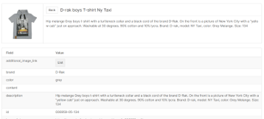 |  |  |  | Confirm URL changes correspond to the selected item.
TC_002 | Verify detailed fields on Single Item page match selected item from Items Overview page. | Single Item page Detail View | Functional | Positive | User logged in and navigated to Items Overview page with multiple items listed. Ensure to choose item that has multiple Fields(eg Additional image link, brand, color) | 1. Click on an 'Select columns' button. 2. Modify column details by clicking on "Add new column" button (Add any 10 columns at a time - eg : Additional image link, brand, color, description, id, image_link, item_group_id, link, price, product_category). 3. From the Items Overview page note down the details of an item (Additional image link, brand, color, description, id, image_link, item_group_id, link, price, product_category). 4. Click on the selected item to open the Single Item page. 5. Verify the displayed fields and their values on the Single Item page match exactly the details noted from the Items Overview page. 6. Repeat step1 and step2 by adding other columns (eg :sale_price, shipping_country, shipping_price, size, stock, title). 7. Repeat step3 - From the Items Overview page note down the details of an item (sale_price, shipping_country, shipping_price, size, stock, title). 8. Repeat step4 and step5 | All fields (Additional image link, brand, color, description, id, image_link, item_group_id, link, price, product_category, sale_price, shipping_country, shipping_price, size, stock, title) and their values match perfectly between the Items Overview page and Single Item page. Expected consistency of item fields between Items Overview Page and Single Item Page. |  |  | Critical | High | QA Env | Firefox 117.0 | Desktop | macOS |  |  |  |  | Check for data truncation, formatting differences, or missing fields.
TC_003 | Verify item preview image is shown on Single Item page after clicking on a item with image from Items Overview page | Single Item Detail - Image Preview | Functional | Positive | User logged in and navigated to Items Overview page with multiple items listed. User clicks on item that has preview image. | 1.On the Items Overview page, identify an item. 2.Click on the item with preview image to navigate to its Single Item page. 3.Verify that the preview image of the item is displayed on the Single Item page. | The preview image of the item is visible and loads correctly on the Single Item page. |  |  | Major | Medium | QA Env | Edge 114.0 | Desktop | Windows 11 | 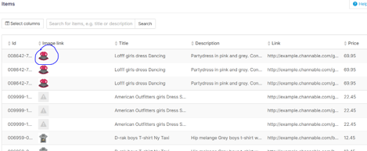 |  |  |  | Check image load times and resolution quality.
TC_004 | Verify preview image matches with title, description, and color on Single Item page | Single Item page – Image and Attribute Consistency | Functional + Visual | Positive | User is logged in. Items Overview displays item with title, color and description. | 1.Navigate to the Items Overview page. 2.Identify an item with a clearly visible color field (e.g., "Pink"). 3.Click on the item to open its Single Item page. 4.On the Single Item page: Note the values of the title, description, and color fields Observe the preview image displayed above or beside the details. 5.Visually verify whether the color field value (e.g., "Pink") matches the color of the item in the image. 6.Also ensure that the image is relevant to the title and description provided.. | The preview image reflects the color specified (e.g., if color is "Pink", the product in the image is predominantly pink). The item shown in the image is contextually consistent with the title and description. No mismatch or confusing elements (e.g., "Pink Shirt" showing a blue bag). |  |  | Major | High | QA Env | Chrome 114.0 | Desktop | Windows 10 |  |  |  |  | If image doesn't load or color appears misleading (e.g., greyish tone instead of stated color), log a UI/UX bug. Include accessibility suggestion if color is difficult to differentiate visually.
TC_005 | Verify the Back buttons return the user to Items Overview page | Single Item Page – Back button Navigation | Functional | Positive | User is logged in. User has navigated to the Single Item Page by selecting an item from the Items Overview Page. | 1. Navigate to the Items Overview page. 2.Click on any item from Items Overview page to open its details in the Single Item Page. 3.Observe that the item opens in a detailed view. 4.Locate the Back button at the top of the Single Item Page and click it. 5.Verify navigation back to Items Overview Page at the top. 6.Repeat steps 2–3. 7.Scroll to the bottom of the Single Item Page and click the Back button there. 8.Confirm you are again navigated back to the Items Overview Page to the buttom. | Both Back buttons (top and bottom) return the user to the Items Overview page. No errors or reload delays occur. URL updates correctly, and the focus is returned to the same or top of the Items Overview list. |  |  | Critical | High | QA Env | Firefox 117.0 | Desktop | macOS |  |  |  |  | If focus is not retained, consider raising a UX enhancement. If navigation fails or causes a full reload instead, log a performance/navigation bug.
TC_006 | Verify Horizontal Scrollbar on Single Item page for Additional Image Link | Single Item Page – Additional Image Link Display | Functional | Positive | User is logged in. User has navigated to the 'Items Overview page'. Ensure selected item contains an 'Additional image link' field visible in the overview. | 1. Navigate to the Items Overview page. 2.Identify an item that has 'Additional image link' field populated (refer to image reference column Q in the test sheet for guidance). 3.Click on this item to open its Single Item detailed view page. 4. On the Single Item page, locate the section or container where the 'additional_image_link' value is displayed. 5.Check if a horizontal scrollbar appears due to overflow of image links or content. 6.Use the horizontal scrollbar to scroll left and right through the 'Additional image link' field. 7. Verify that the scrollbar moves smoothly without lag or jumps. 8.While scrolling, confirm that all additional image links become fully visible. 9. Ensure that no content is cut off or hidden beyond the scrollbar’s reach. | The horizontal scrollbar is visible if the content overflows horizontally. Scrollbar can be moved smoothly to the left and right. All additional image link is fully visible as the scrollbar moves. No content is hidden or cut off beyond the scrollable area. The scrollbar should not cause any page layout breaking or overlapping UI elements. |  |  | Major | Medium | QA Env | Firefox 117.0 | Desktop | macOS | 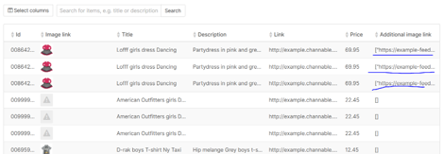 |  |  |  | Check for responsiveness of the scrollbar in different window sizes. Verify scrollbar usability is supported by clicking on left and right arrow buttons. Report any visual glitches or UI overlapping during scroll. Confirm scrollbar appears only when necessary (i.e., when content width exceeds container width).
TC_007 | Verify behavior when Additional Image Link is empty in 'Single Item Page' | Single Item Page – Additional Image Link Handling | Functional + UI | Positive | User is logged in. User has navigated to the 'Items Overview page'. Ensure selected item has no value in 'Additional image link' field. | 1. Navigate to the Items Overview page. 2.Identify and select an item from the list that has an empty or null value for the Additional Image Link field (refer to image reference column Q in the test sheet for guidance). 3.Click on this item to open its Single Item detailed view page. 4. On the Single Item page, locate the section or container where the 'additional_image_link' is displayed. 5.Observe the UI behavior and messaging where the 'additional image link' are expected. 6.Verify that no horizontal scrollbar appears for the empty 'additional image link'. 7. Confirm no broken image thumbnails, placeholder icons, or console errors are present.. 8.Validate that the rest of the item details load correctly and are not impacted. | The section for Additional Image Link is empty . No broken image containers or blank UI blocks are rendered. No horizontal scrollbar appears. The UI remains consistent, clean, and without layout issues. |  |  | Minor | Medium | QA Env | Firefox 117.0 | Desktop | macOS | 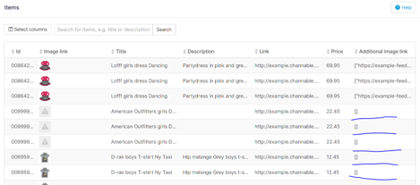 |  |  |  | Ensure that accessibility tools (e.g., screen readers) skip this section cleanly when no images are present. Raise UI/UX enhancement if the empty state feels inconsistent with rest of the page. If placeholder images or broken icons appear, log it as a visual/UI defect.
TC_008 | Exploratory Testing for Single Item Page Functionalities and UI Behavior | Single Item Detail View | Functional + UI + Exploratory | Positive / Negative / Edge Cases | User is logged in with appropriate permissions to view and interact with the Items Overview page. Items Overview page is accessible and fully loaded. Multiple supported browsers (Chrome, Firefox, Edge) are installed. Items exist with a variety of field combinations(e.g., with/without image links, description etc).. | 1. Navigate to Items Overview Page and click on any item to open its Single Item Page. 2. Observe overall page load performance, data fetch latency, and URL correctness. 3. Check if page scrolls and layout render properly. 4. Validate field presence and completeness: ensure fields like title, description, price, id, brand, image_link, additional_image_link, etc., are visible and populated appropriately. 5. Test edge cases: Open items with missing fields (e.g., no image, no product_category, no additional image link etc). 6. Interact with UI elements: Click on back buttons (top and bottom), verify navigation and focus retention. If additional image link is available, verify scrollbar behavior. 7. Perform cross-browser testing in Chrome, Firefox, and Edge- Compare rendering consistency. 8. Check responsiveness and layout behavior on window resize and zoom levels (e.g., 90%, 110%). 9. Validate accessibility behavior: - Navigate with keyboard (Tab, Enter, Space).- Use screen reader tools to verify meaningful content exposure. 10. Interact with Select Columns feature in Items Overview and see its effect on Single Item Page. 11. Take notes on UI aesthetics – alignment, spacing, fonts, image resolution, placeholder handling | Page loads completely with no visible or console errors. All fields are displayed when available; empty fields are gracefully presented. Image and Additional Image Links behave responsively, without broken thumbnails or layout shifts. Back button navigates to Items Overview page correctly, retaining scroll position. Scrollbars behave smoothly and content is accessible. Accessibility tools read content correctly; no keyboard traps. UI remains consistent across browsers and devices. Long or missing text values do not break layout or introduce security risks. |  |  | Major | High | QA Env | Test on multiple browsers (e.g., Chrome 114.0, Firefox 117.0, Edge 114.0) | Desktop | Windows 10 / macOS |  |  |  |  | Raise bugs for inconsistent spacing, scroll issues, missing hover states, and visual glitches. Suggest UI/UX enhancements for better handling of empty or overflow fields. Suggest inclusion of loading indicators for slow network scenarios.

Bug Report Items Overview Page
Bug ID | BUG-001
Title / Summary | Inappropriate 'Type' options (Image/Number) allowed for certain fields in 'Select Columns'
Module / Feature | Items Overview – Select Columns Header Options
Reported By | Preethi
Testing Type | Exploratory
Date Reported | 2025-07-06
Environment | TST
Browser & Version | Chrome v114
Device Type | Desktop
Operating System | Windows 10
Severity | Major
Priority | Medium
Reproducibility | Always
Preconditions | User has permission to edit the 'Select Columns' headers (Field, Width, Type)
Steps to Reproduce | 1. Navigate to the Items Overview page. 2.Click on the 'Select Columns' button. 3.Observe the 'Select columns' button header (Field, Width,Type). 4.Click and modify the header options:Refer Test evidence - Field: eg (id,price,stock, Size, Shipping price) - Width: choose between 40% to 90% for all above Fields - Type: set 'Image' for all above Fields 5.Click on an 'save' button and observe (observation a). 6.Again click on the 'Select columns' button. 7.Now set the header options: - Field: eg: (Image link, Additional image link,Description, Link, Content, Title) - Width: choose 40% to 90% for all above Fields - Type: set 'Number' for all above Fields. 8.Click on an 'save' button and observe (observation b).
Expected Result | Only contextually appropriate 'Type' options should be enabled If the 'Type' is not relevant to the 'Field', that 'Type' option should be disabled to prevent poor UI rendering or confusion. For example, 'Field' (id) should not allow 'Type' (Image), and 'Field' (Description) should not allow Number. UI should remain clean without misleading icons or data (e.g., NaN or default image placeholders).
Actual Result | Observation a: 'Image' icon shows a broken/default image for Fields like (id,price,stock, Size, Shipping price) Observation b: 'NaN' is shown for Fields like(Image link, Additional image link,Description, Link, Content, Title) when set to 'Type' Number.
Status | New
Assigned To | To be assigned
Root Cause | To be filled by developer
Fix Version | Pending
Test Evidence | 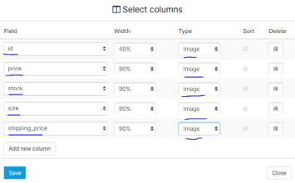 | 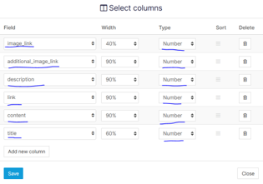
Image Reference | 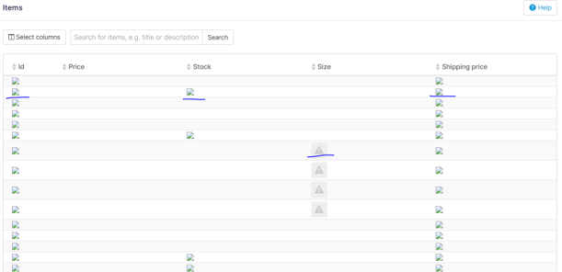 | 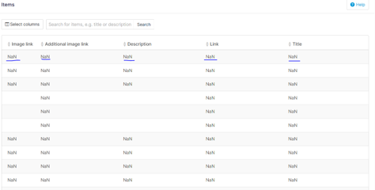
Retested By
Retested Date
Retest Status | Pending
Remarks / Notes | Consider disabling irrelevant 'Type' options dynamically based on selected 'Field'.

